Sheet1
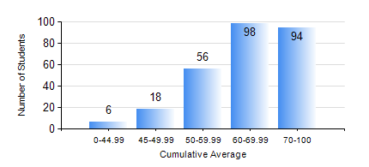
 |  |  | KWAME NKRUMAH UNIVERSITY OF SCIENCE AND TECHNOLOGY, KUMASI Department of Electrical/Electronic Engineering

 |  |  | BSC. ELECTRICAL/ELECTRONIC ENG.

 |  |  | COMPREHENSIVE RECORD OF EXAMINATION RESULTS

 |  |  | RESULTS OF YEAR 1 SECOND SEMESTER, 2021/2022 ACADEMIC YEAR

 | Sn | Course Code |  | Course Name | Credit Hours | Min. Mark | Max. Mark | Avg. Mark | Std. Dev. | No. Passed | No. Trailed | No. (Df) | No. (I) | No. (I*) | No. Tagged(I,I*,Df) | Total
 | 0. |  |  |  |  |  |  | 0 | 0 | 0 | 0 | 0 | 0 | 0 | 0 | 5
 | 1. | COE 158 |  | INTRODUCTION TO INFORMATION TECHNOLOGY | 2 | 14 | 98 | 65 | 13.08 | 261 | 4 | 1 | 0 | 1 | 2 | 267
 | 2. | EE 152 |  | BASIC ELECTRONICS | 3 | 21 | 94 | 70 | 12.15 | 262 | 3 | 2 | 0 | 0 | 2 | 267
 | 3. | EE 156 |  | ELECTRICAL ENG. DRAWING | 2 | 16 | 81 | 66 | 9.12 | 264 | 1 | 2 | 0 | 0 | 2 | 267
 | 4. | EE 162 |  | ELECTROMECHANICAL ENERGY CONVERSION AND TRANSFORMERS | 3 | 7 | 89 | 55 | 15.14 | 239 | 26 | 2 | 0 | 0 | 2 | 267
 | 5. | ENGL 158 |  | COMMUNICATION SKILLS II | 2 | 21 | 91 | 71 | 8.5 | 265 | 1 | 1 | 0 | 0 | 1 | 267
 | 6. | MATH 152 |  | CALCULUS WITH ANALYSIS | 4 | 0 | 93 | 57 | 14.26 | 247 | 18 | 2 | 0 | 0 | 2 | 267
 | 7. | ME 166 |  | APPLIED THERMODYNAMICS I | 2 | 16 | 94 | 61 | 12.25 | 264 | 1 | 2 | 0 | 0 | 2 | 267

